2012-7
Month | Post date | Challenge |  | Answer | by
Challenge of the Month - July 2012 | 2012-06-30 | Easy Challenge ① | Write a program to count up nouns in a sentence of text from a user. If possible, please try the above statements for the first time. | ZSZ947-0 | Robinmujician
 |  |  |  | ZSZ947-2 | NaochanON
 |  | Easy Math Challenge ② | Apple's weight is 300g. orange's weight is 200g. You measured the weight of the apples and oranges by analogue balance. If total weight is 3200g, how many apples and oranges are there? (Combination is not limited as one. ) If the full scale of balance is 5000g, what angle does it show? (below 4th figure) | see below
 |  | Graphical Challenge ③ | 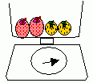 Write a program to demonstrate the answer of above(②). | GHX075 | Nonki Takahashi
 |  |  |  | TKD106 | NaochanON
 |  | Graphical Challenge ④ 1st figure | Write a program to write the following figures in one stroke. 1st,2nd and 3rd figure. (The other one stroke figures may be written) Easy method.... use turtle. challenging method .... using graphicwindow.drawline or line-shape animation. | LLL965 | Nonki Takahashi
 |  | Graphical Challenge ④ 2nd figure |  | WWC474 | Nonki Takahashi
 |  | Graphical Challenge ④ 3rd figure |  | FST624 | Nonki Takahashi
 |  | Graphical Challenge ⑤ | Write a program to draw a National Flag Easy National flags...... written with only 2 or 3 colors. (Italy, Holland,Ireland,Finland,French,Russia.....) Complex National flags...Greece, USA,United Kingdom,Australia,Panama… | RHH485 | litdev
 |  |  |  | HZZ916-0 | NaochanON
 |  |  |  | RNW591 | Nonki Takahashi
 |  |  |  | HGS098 | Nonki Takahashi
 |  | Graphical Challenge ⑥ |  Write a program to make a pyramid using cubes like below image. If you can't make 3D type, make 2D type. | list | Zock77
 |  |  |  | list | Flostain
 |  |  |  | FLD228 | Nonki Takahashi
 |  | Graphical Challenge ⑦ clock 1) | Write a program of clock 1) or 2). 1) So called cat's eye clock. see here | VSC500-0 | Nonki Takahashi
 |  |  |  | JQX072 | NaochanON
 |  | Graphical Challenge ⑦ clock 2) | 2) sundial see here (what makes a shadow.... Mountain, moai statue, and the rod of 1m ...etc anything OK) | BZD455-0 | Nonki Takahashi

2012-2
Month | Post date | Challenge |  | Answer | by
Challenge of the Month - February 2012 | 2012-01-31 | First Steps | Write a program that converts centimetres into inches and inches into centimetres. The user should select which conversion they wish to do and the answers should be displayed with appropriate units. | ZWS115 | carlosfmur1948
 |  |  |  | CTB569 | jaytep
 |  |  |  | NTN063 | jaytep
 |  |  |  | XCH698 | Rebyen2000
 |  |  |  | list | Subjectzx
 |  | Easy Challenge | Write a program that calculates the first one hundred prime numbers (no more, no less). | no answers (1000 primes comes back in May 2012)
 |  | Community Suggested Challenge (Kiwi Bert) | Create a program that generates 40 random numbers between 01 and 99 (inclusive). Display them in four rows of ten columns. They must be in ascending order, and include no duplicates. Any number under 10 must include a leading zero to preserve the symmetry. Example output below. | list | JP Taylor
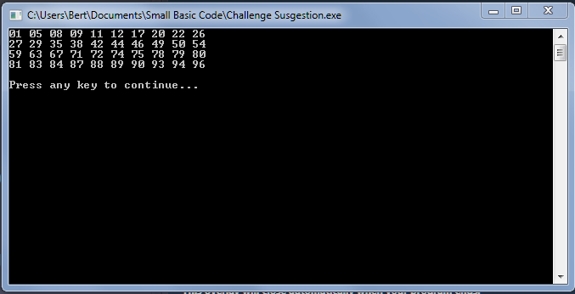
 |  |  |  | list | NaochanON
 |  |  |  | list | kam528
 |  | Intermediate Challenge 1 | 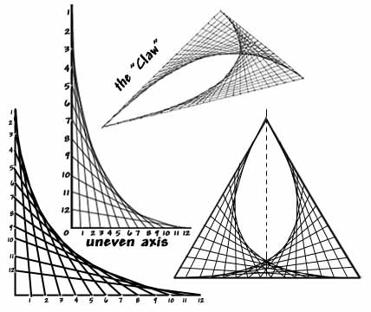 Write a program that will draw mathematical curves from straight lines, similar to the pictures below: | NRV874 | FelixTheCat96
 |  |  |  | list | Steve Paget
 |  |  |  | list | JP Taylor
 |  | Intermediate Challenge 2 | Write a program that allows the user to encode/decode a message using the Caesar Cipher with a user given shift/offset. | DGL168-0 | Amir CPS
 |  |  |  | KBW990 | rodrigomb81
 |  |  |  | QLR567 | Steve Paget
 |  |  |  | XDG023 | Steve Paget
 |  |  |  | TXG140-0 | kam528
 |  |  |  | list | JP Taylor
 |  |  |  | list | CodingLikeCrazy
 |  |  |  | GXP904 | rockstar111
 |  | Advanced Challenge | Write a program that will decode a message from the last challenge without knowing the shift/offset that was used to encode it. You should use the Frequency Analysis method to improve the probability that the program succeeds and you should assume that the program succeeds and you should assume that the original message was written in English. | KAM528 | Steve Paget
 |  |  |  | DGL168-1 | Amir CPS
 |  |  |  | MWP183 | Steve Paget

2011-10
Month | Post date | Challenge |  | Answer | by
Challenge of the Month - October 2011 | 2011-09-26 | Easy Challenge | Write a program that will convert an English (or other language) sentence into Morse Code. Your Morse Code should separate each letter with a space and separate each word with three spaces. Your program should also play the sounds of the code. Example: Input: SMALL BASIC IS COOL Output: ... -- .- .-.. .-.. -... .- ... .. -.-. .. ... -.-. --- --- .-.. | VMH193 | HandMeTheBacon
 |  |  |  | TCZ203 | NaochanON
 |  | Easy Challenge | Extend your program so that the user can choose to convert from English into Morse or from Morse into English. | no answers
 |  | Intermediate Challenge | Create a program (text or graphics) that allows the user to enter 10 numbers. The program will then display these numbers in numerical (ascending) order. | see below
 |  | Intermediate Challenge | Modify your program to allow the user to enter 10 words which are then sorted into alphabetical order. | JKN057 | NaochanON
 |  |  |  | VDF018 | NaochanON
 |  |  | To help with this you may want to research sorting algorithms such as the Bubble Sort.
 |  |  | Here is a nice video to get you in the mood!
 |  | Advanced Challenge 1 | 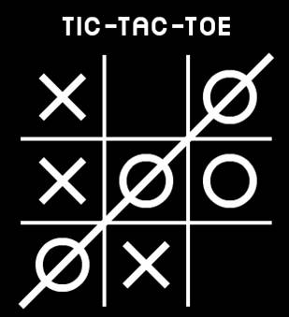 Create a program that allows the user to play the classic "Noughts and Crosses" or "Tic-Tac-Toe" game against the computer. A simple computer player will just pick a random valid move, but can you make an 'intelligent' opponent? You could make this game in the text or graphical windows. | DTV043 | NaochanON
 |  |  |  | FVM818 | rockstar111
 |  | Advanced Challenge 2 | Create a program that allows the user to play the classic "Four in a Row" game against the computer. | no answers (Connect 4 comes back in November 2013)
 |  |  | To start with you will probably want to make the computer player a bit 'dumb' by just choosing a random valid move each turn. Once this is working you can make the computer play a bit better by doing some research. You could make this game in the text or

